Daily Power Station Chart_14-01
Plant_06/07/2025Chart

Plant:odco1 |  |  | Installed Capacity:111.180kWp
Today Yield(kWh):568.500kWh |  | Today Earning:227400.000TND |  | Today Full Load Hours(h):5.11h

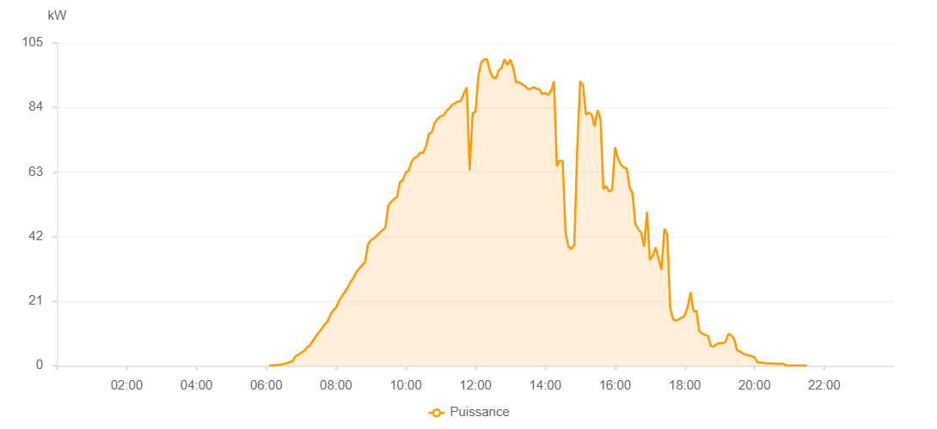

Number | Time | Working State | PV(W) | Instantaneous Radiation(W/㎡)
1 | 06:05:00 | Online | 20.00000 | 0
2 | 06:10:00 | Online | 110.00000 | 0
3 | 06:15:00 | Online | 170.00000 | 0
4 | 06:20:00 | Online | 210.00000 | 1.00000
5 | 06:25:00 | Online | 390.00000 | 4.00000
6 | 06:30:00 | Online | 590.00000 | 8.00000
7 | 06:35:00 | Online | 830.00000 | 10.00000
8 | 06:40:00 | Online | 1170.00000 | 15.00000
9 | 06:45:00 | Online | 1390.00000 | 20.00000
10 | 06:50:00 | Online | 3010.00000 | 27.00000
11 | 06:55:00 | Online | 3610.00000 | 36.00000
12 | 07:00:00 | Online | 4220.00000 | 46.00000
13 | 07:05:00 | Online | 4780.00000 | 56.00000
14 | 07:10:00 | Online | 5910.00000 | 69.00000
15 | 07:15:00 | Online | 6640.00000 | 82.00000
16 | 07:20:00 | Online | 8010.00000 | 96.00000
17 | 07:25:00 | Online | 9430.00000 | 109.00000
18 | 07:30:00 | Online | 10730.00000 | 126.00000
19 | 07:35:00 | Online | 11870.00000 | 141.00000
20 | 07:40:00 | Online | 13290.00000 | 157.00000
21 | 07:45:00 | Online | 14210.00000 | 172.00000
22 | 07:50:00 | Online | 16420.00000 | 190.00000
23 | 07:55:00 | Online | 17920.00000 | 206.00000
24 | 08:00:00 | Online | 18880.00000 | 223.00000
25 | 08:05:00 | Online | 21030.00000 | 239.00000
26 | 08:10:00 | Online | 22600.00000 | 255.00000
27 | 08:15:00 | Online | 23940.00000 | 274.00000
28 | 08:20:00 | Online | 25390.00000 | 290.00000
29 | 08:25:00 | Online | 27200.00000 | 311.00000
30 | 08:30:00 | Online | 28540.00000 | 327.00000
31 | 08:35:00 | Online | 30440.00000 | 344.00000
32 | 08:40:00 | Online | 31640.00000 | 366.00000
33 | 08:45:00 | Online | 32680.00000 | 382.00000
34 | 08:50:00 | Online | 33660.00000 | 398.00000
35 | 08:55:00 | Online | 39570.00000 | 416.00000
36 | 09:00:00 | Online | 40810.00000 | 432.00000
37 | 09:05:00 | Online | 41430.00000 | 451.00000
38 | 09:10:00 | Online | 42270.00000 | 463.00000
39 | 09:15:00 | Online | 43230.00000 | 484.00000
40 | 09:20:00 | Online | 44050.00000 | 501.00000
41 | 09:25:00 | Online | 44880.00000 | 518.00000
42 | 09:30:00 | Online | 52120.00000 | 535.00000
43 | 09:35:00 | Online | 53350.00000 | 553.00000
44 | 09:40:00 | Online | 54250.00000 | 568.00000
45 | 09:45:00 | Online | 54900.00000 | 581.00000
46 | 09:50:00 | Online | 59750.00000 | 598.00000
47 | 09:55:00 | Online | 60450.00000 | 614.00000
48 | 10:00:00 | Online | 62770.00000 | 628.00000
49 | 10:05:00 | Online | 63530.00000 | 639.00000
50 | 10:10:00 | Online | 66240.00000 | 656.00000
51 | 10:15:00 | Online | 67630.00000 | 667.00000
52 | 10:20:00 | Online | 68010.00000 | 680.00000
53 | 10:25:00 | Online | 69280.00000 | 691.00000
54 | 10:30:00 | Online | 69280.00000 | 710.00000
55 | 10:35:00 | Online | 71410.00000 | 727.00000
56 | 10:40:00 | Online | 75480.00000 | 745.00000
57 | 10:45:00 | Online | 76020.00000 | 757.00000
58 | 10:50:00 | Online | 79050.00000 | 762.00000
59 | 10:55:00 | Online | 80300.00000 | 775.00000
60 | 11:00:00 | Online | 81150.00000 | 786.00000
61 | 11:05:00 | Online | 81470.00000 | 801.00000
62 | 11:10:00 | Online | 82830.00000 | 806.00000
63 | 11:15:00 | Online | 83740.00000 | 814.00000
64 | 11:20:00 | Online | 84910.00000 | 826.00000
65 | 11:25:00 | Online | 85440.00000 | 835.00000
66 | 11:30:00 | Online | 85900.00000 | 846.00000
67 | 11:35:00 | Online | 86140.00000 | 853.00000
68 | 11:40:00 | Online | 88540.00000 | 861.00000
69 | 11:45:00 | Online | 90550.00000 | 877.00000
70 | 11:50:00 | Online | 63510.00000 | 834.00000
71 | 11:55:00 | Online | 82220.00000 | 551.00000
72 | 12:00:00 | Online | 82500.00000 | 446.00000
73 | 12:05:00 | Online | 94400.00000 | 841.00000
74 | 12:10:00 | Online | 98760.00000 | 976.00000
75 | 12:15:00 | Online | 99630.00000 | 1005.00000
76 | 12:20:00 | Online | 99670.00000 | 996.00000
77 | 12:25:00 | Online | 95760.00000 | 977.00000
78 | 12:30:00 | Online | 93760.00000 | 644.00000
79 | 12:35:00 | Online | 93420.00000 | 919.00000
80 | 12:40:00 | Online | 96080.00000 | 934.00000
81 | 12:45:00 | Online | 96920.00000 | 960.00000
82 | 12:50:00 | Online | 99660.00000 | 949.00000
83 | 12:55:00 | Online | 97830.00000 | 877.00000
84 | 13:00:00 | Online | 99610.00000 | 955.00000
85 | 13:05:00 | Online | 96880.00000 | 966.00000
86 | 13:10:00 | Online | 92120.00000 | 918.00000
87 | 13:15:00 | Online | 92260.00000 | 907.00000
88 | 13:20:00 | Online | 91580.00000 | 909.00000
89 | 13:25:00 | Online | 91040.00000 | 903.00000
90 | 13:30:00 | Online | 89940.00000 | 902.00000
91 | 13:35:00 | Online | 90110.00000 | 897.00000
92 | 13:40:00 | Online | 90570.00000 | 889.00000
93 | 13:45:00 | Online | 90040.00000 | 889.00000
94 | 13:50:00 | Online | 89910.00000 | 877.00000
95 | 13:55:00 | Online | 88340.00000 | 877.00000
96 | 14:00:00 | Online | 88740.00000 | 864.00000
97 | 14:05:00 | Online | 88070.00000 | 858.00000
98 | 14:10:00 | Online | 89440.00000 | 864.00000
99 | 14:15:00 | Online | 92540.00000 | 880.00000
100 | 14:20:00 | Online | 64920.00000 | 900.00000
101 | 14:25:00 | Online | 66810.00000 | 869.00000
102 | 14:30:00 | Online | 66440.00000 | 322.00000
103 | 14:35:00 | Online | 43160.00000 | 736.00000
104 | 14:40:00 | Online | 38730.00000 | 370.00000
105 | 14:45:00 | Online | 37960.00000 | 296.00000
106 | 14:50:00 | Online | 39330.00000 | 301.00000
107 | 14:55:00 | Online | 70390.00000 | 316.00000
108 | 15:00:00 | Online | 92540.00000 | 897.00000
109 | 15:05:00 | Online | 91050.00000 | 834.00000
110 | 15:10:00 | Online | 81710.00000 | 823.00000
111 | 15:15:00 | Online | 82320.00000 | 766.00000
112 | 15:20:00 | Online | 81710.00000 | 752.00000
113 | 15:25:00 | Online | 77820.00000 | 738.00000
114 | 15:30:00 | Online | 83130.00000 | 729.00000
115 | 15:35:00 | Online | 80330.00000 | 782.00000
116 | 15:40:00 | Online | 57430.00000 | 763.00000
117 | 15:45:00 | Online | 58360.00000 | 737.00000
118 | 15:50:00 | Online | 56580.00000 | 687.00000
119 | 15:55:00 | Online | 57130.00000 | 690.00000
120 | 16:00:00 | Online | 71050.00000 | 629.00000
121 | 16:05:00 | Online | 67480.00000 | 631.00000
122 | 16:10:00 | Online | 65530.00000 | 615.00000
123 | 16:15:00 | Online | 64510.00000 | 595.00000
124 | 16:20:00 | Online | 64220.00000 | 568.00000
125 | 16:25:00 | Online | 58220.00000 | 565.00000
126 | 16:30:00 | Online | 56050.00000 | 527.00000
127 | 16:35:00 | Online | 46060.00000 | 491.00000
128 | 16:40:00 | Online | 44350.00000 | 459.00000
129 | 16:45:00 | Online | 43350.00000 | 463.00000
130 | 16:50:00 | Online | 38760.00000 | 442.00000
131 | 16:55:00 | Online | 50050.00000 | 145.00000
132 | 17:00:00 | Online | 34390.00000 | 159.00000
133 | 17:05:00 | Online | 35780.00000 | 148.00000
134 | 17:10:00 | Online | 38450.00000 | 205.00000
135 | 17:15:00 | Online | 34770.00000 | 225.00000
136 | 17:20:00 | Online | 31220.00000 | 465.00000
137 | 17:25:00 | Online | 44530.00000 | 346.00000
138 | 17:30:00 | Online | 42700.00000 | 360.00000
139 | 17:35:00 | Online | 18780.00000 | 353.00000
140 | 17:40:00 | Online | 15060.00000 | 136.00000
141 | 17:45:00 | Online | 14720.00000 | 218.00000
142 | 17:50:00 | Online | 15100.00000 | 115.00000
143 | 17:55:00 | Online | 15580.00000 | 131.00000
144 | 18:00:00 | Online | 16400.00000 | 247.00000
145 | 18:05:00 | Online | 19050.00000 | 227.00000
146 | 18:10:00 | Online | 23890.00000 | 157.00000
147 | 18:15:00 | Online | 17710.00000 | 234.00000
148 | 18:20:00 | Online | 17900.00000 | 153.00000
149 | 18:25:00 | Online | 11310.00000 | 165.00000
150 | 18:30:00 | Online | 10510.00000 | 101.00000
151 | 18:35:00 | Online | 10000.00000 | 84.00000
152 | 18:40:00 | Online | 9650.00000 | 77.00000
153 | 18:45:00 | Online | 6390.00000 | 68.00000
154 | 18:50:00 | Online | 6310.00000 | 57.00000
155 | 18:55:00 | Online | 7040.00000 | 59.00000
156 | 19:00:00 | Online | 7410.00000 | 64.00000
157 | 19:05:00 | Online | 7320.00000 | 66.00000
158 | 19:10:00 | Online | 7690.00000 | 66.00000
159 | 19:15:00 | Online | 10380.00000 | 69.00000
160 | 19:20:00 | Online | 9930.00000 | 74.00000
161 | 19:25:00 | Online | 8760.00000 | 76.00000
162 | 19:30:00 | Online | 5020.00000 | 55.00000
163 | 19:35:00 | Online | 4640.00000 | 44.00000
164 | 19:40:00 | Online | 3990.00000 | 40.00000
165 | 19:45:00 | Online | 3590.00000 | 36.00000
166 | 19:50:00 | Online | 3410.00000 | 32.00000
167 | 19:55:00 | Online | 3130.00000 | 27.00000
168 | 20:00:00 | Online | 2740.00000 | 20.00000
169 | 20:05:00 | Online | 1130.00000 | 13.00000
170 | 20:10:00 | Online | 1030.00000 | 10.00000
171 | 20:15:00 | Online | 950.00000 | 9.00000
172 | 20:20:00 | Online | 790.00000 | 7.00000
173 | 20:25:00 | Online | 770.00000 | 5.00000
174 | 20:30:00 | Online | 750.00000 | 4.00000
175 | 20:35:00 | Online | 710.00000 | 3.00000
176 | 20:40:00 | Online | 650.00000 | 2.00000
177 | 20:45:00 | Online | 640.00000 | 1.00000
178 | 20:50:00 | Online | 640.00000 | 1.00000
179 | 20:55:00 | Online | 40.00000 | 0
180 | 21:00:00 | Online | 40.00000 | 0
181 | 21:05:00 | Online | 50.00000 | 0
182 | 21:10:00 | Online | 40.00000 | 0
183 | 21:15:00 | Online | 40.00000 | 0
184 | 21:20:00 | Online | 40.00000 | 0
185 | 21:25:00 | Online | 40.00000 | 0
186 | 21:30:00 | Online | 40.00000 | 0
187 | 21:50:00 | Online | 0.00001 | 0.00001

